Sheet1
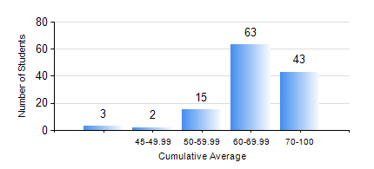
 |  |  | KWAME NKRUMAH UNIVERSITY OF SCIENCE AND TECHNOLOGY, KUMASI Department of Chemical Engineering

 |  |  | BSC. CHEMICAL ENG.

 |  |  | COMPREHENSIVE RECORD OF EXAMINATION RESULTS

 |  |  | RESULTS OF YEAR 2 SECOND SEMESTER, 2019/2020 ACADEMIC YEAR

 | Sn | Course Code |  | Course Name | Credit Hours | Min. Mark | Max. Mark | Avg. Mark | Std. Dev. | No. Passed | No. Trailed | No. (Df) | No. (I) | No. (I*) | No. Tagged(I,I*,Df) | Total
 | 0. |  |  |  |  |  |  | 0 | 0 | 0 | 0 | 0 | 0 | 0 | 0 | 5
 | 1. | CHE 250 |  | STRENGTH OF MATERIALS FOR CHEMICAL ENGINEERS | 2 | 62 | 98 | 86 | 6.82 | 121 | 0 | 0 | 0 | 0 | 0 | 121
 | 2. | CHE 252 |  | CHEMICAL PROCESS CALCULATIONS II | 2 | 72 | 89 | 83 | 2.93 | 120 | 0 | 0 | 1 | 0 | 1 | 121
 | 3. | CHE 254 |  | CHEMICAL ENGINEERING THERMODYNAMICS II | 2 | 43 | 91 | 73 | 10.47 | 120 | 0 | 0 | 1 | 0 | 1 | 121
 | 4. | CHE 256 |  | HEAT TRANSPORT PROCESSES | 3 | 15 | 90 | 74 | 10.11 | 118 | 1 | 0 | 2 | 0 | 2 | 121
 | 5. | CHE 258 |  | DRAWING FOR ENGINEERS | 2 | 46 | 78 | 65 | 7.22 | 120 | 0 | 0 | 1 | 0 | 1 | 121
 | 6. | CHEM 280 |  | PRACTICAL CHEMISTRY II | 3 | 23 | 84 | 77 | 6.45 | 119 | 1 | 0 | 1 | 0 | 1 | 121
 | 7. | MATH 252 |  | CALCULUS OF SEVERAL VARIABLES | 4 | 47 | 81 | 69 | 6.16 | 120 | 0 | 0 | 1 | 0 | 1 | 121

